Sheet1
No. | Task | Picture | Priority | Member
1 | Change the background of the Game Title, make it better. | 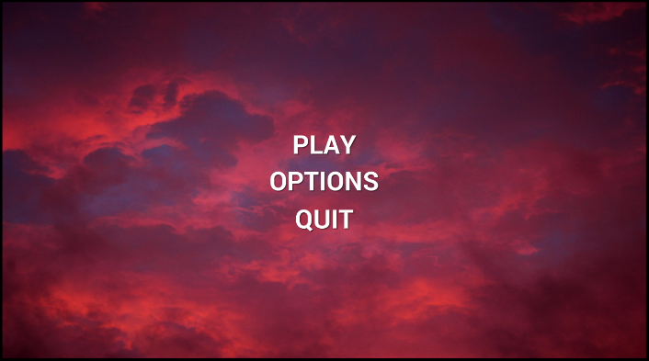 |  | Yang(write design document) Sam(art work) Jony(implement)
2 | 1. Finish the all Dialogue. 2. Improve UX, Make it easy to control. | 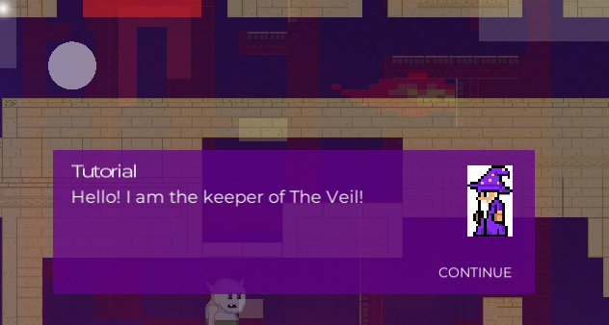
3 | Teleport Platform use the same material with normal platform, the logic of change material should be correct. | 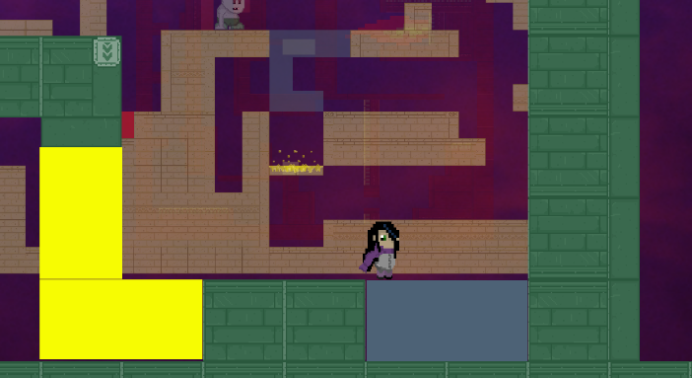
4 | Debug: 1. Fix the bug of teleport platform 2. Fix the "short cut" at start point. | 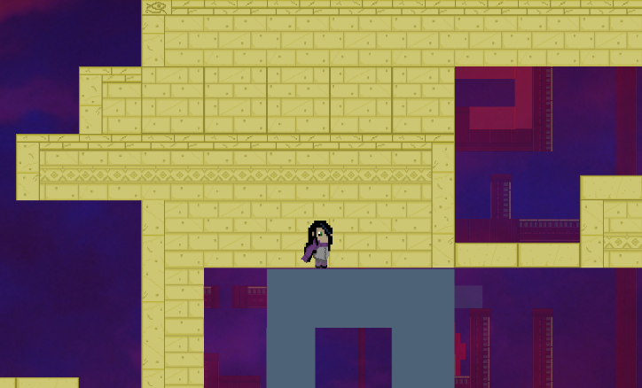
5 | Add the Lever spirte in game
6 | Change the background of the Game Menu, make it better. | 